Sheet1
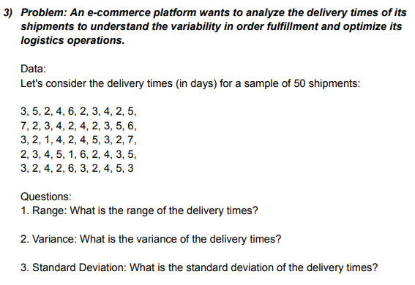
 |  | RANGE
ANSWERS |  |  | 3
RANGE | 6 |  | 5
VARIANCE | 2.2896 |  | 2
STANDARD DEVIATION | 1.5285046714 |  | 4
 | 3
 | 5
 | 2
 | 4
 | 6
 | 2
 | 3
 | 4
 | 2
 | 5
 | 7
 | 2
 | 3
 | 4
 | 2
 | 4
 | 2
 | 3
 | 5
 | 6
 | 3
 | 2
 | 1
 | 4
 | 2
 | 4
 | 5
 | 3
 | 2
 | 7
 | 2
 | 3
 | 4
 | 5
 | 1
 | 6
 | 2
 | 4
 | 3
 | 5
 | 3
 | 2
 | 4
 | 2
 | 6
 | 3
 | 2
 | 4
 | 5
 | 3
 |  |  | 6
 |  |  | 2
 |  |  | 3
 |  |  | 4
 |  |  | 2
 |  |  | 5
 |  |  | 7
 |  |  | 2
 |  |  | 3
 |  |  | 4
 |  |  | 2
 |  |  | 4
 |  |  | 2
 |  |  | 3
 |  |  | 5
 |  |  | 6
 |  |  | 3
 |  |  | 2
 |  |  | 1
 |  |  | 4
 |  |  | 2
 |  |  | 4
 |  |  | 5
 |  |  | 3
 |  |  | 2
 |  |  | 7
 |  |  | 2
 |  |  | 3
 |  |  | 4
 |  |  | 5
 |  |  | 1
 |  |  | 6
 |  |  | 2
 |  |  | 4
 |  |  | 3
 |  |  | 5
 |  |  | 3
 |  |  | 2
 |  |  | 4
 |  |  | 2
 |  |  | 6
 |  |  | 3
 |  |  | 2
 |  |  | 4
 |  |  | 5
 |  |  | 3

